Figure 3.1
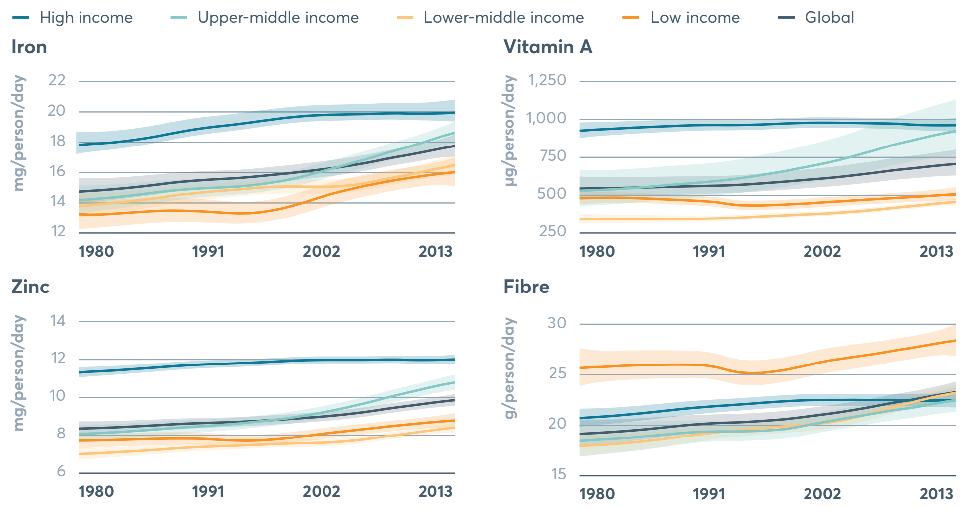
 | 2018 Global Nutrition Report: Shining a light to spur action on nutrition
 | globalnutritionreport.org

FIGURE | 3.1
Availability of fibre, iron, zinc and vitamin A at global level and by income classification 1980–2013
Source: | 2018 Global Nutrition Report. The Global Nutrient Database, 2018.

 |  |  | 1980 | 1983 | 1986 | 1989 | 1992 | 1995 | 1998 | 2001 | 2004 | 2007 | 2010 | 2013
 | Iron | Global | 14.7 | 14.9 | 15.1 | 15.4 | 15.6 | 15.7 | 15.9 | 16.2 | 16.5 | 16.9 | 17.3 | 17.8
 |  | World Bank High Income | 17.8 | 18.0 | 18.3 | 18.7 | 19.0 | 19.3 | 19.6 | 19.8 | 19.9 | 19.9 | 19.9 | 20.0
 |  | World Bank Upper Middle Income | 14.2 | 14.4 | 14.6 | 14.9 | 15.0 | 15.1 | 15.5 | 16.0 | 16.6 | 17.3 | 17.9 | 18.6
 |  | World Bank Lower Middle Income | 13.8 | 14.0 | 14.2 | 14.6 | 14.8 | 15.0 | 15.1 | 15.1 | 15.2 | 15.6 | 16.0 | 16.5
 |  | World Bank Low Income | 13.3 | 13.3 | 13.4 | 13.5 | 13.4 | 13.3 | 13.7 | 14.3 | 14.9 | 15.4 | 15.8 | 16.0
 | Vitamin A | Global | 541.4 | 544.9 | 549.6 | 555.4 | 560.8 | 570.8 | 587.5 | 606.3 | 629.1 | 657.6 | 682.1 | 704.7
 |  | World Bank High Income | 924.4 | 937.9 | 949.2 | 958.7 | 962.6 | 963.8 | 972.6 | 977.7 | 976.3 | 972.7 | 962.5 | 961.6
 |  | World Bank Upper Middle Income | 527.6 | 537.1 | 553.0 | 572.3 | 591.6 | 620.1 | 657.2 | 701.0 | 755.6 | 820.2 | 875.3 | 922.3
 |  | World Bank Lower Middle Income | 337.7 | 338.5 | 338.9 | 340.1 | 343.7 | 353.1 | 364.2 | 375.0 | 389.0 | 410.0 | 432.7 | 454.1
 |  | World Bank Low Income | 478.1 | 481.3 | 475.8 | 465.6 | 451.9 | 430.1 | 435.8 | 448.9 | 463.5 | 477.0 | 490.2 | 505.0
 | Zinc | Global | 8.4 | 8.4 | 8.5 | 8.6 | 8.7 | 8.7 | 8.9 | 9.0 | 9.2 | 9.4 | 9.6 | 9.9
 |  | World Bank High Income | 11.3 | 11.4 | 11.5 | 11.7 | 11.7 | 11.8 | 11.9 | 12.0 | 12.0 | 12.0 | 12.0 | 12.0
 |  | World Bank Upper Middle Income | 8.1 | 8.2 | 8.3 | 8.4 | 8.5 | 8.7 | 8.9 | 9.2 | 9.5 | 10.0 | 10.4 | 10.8
 |  | World Bank Lower Middle Income | 7.0 | 7.1 | 7.2 | 7.4 | 7.4 | 7.5 | 7.6 | 7.6 | 7.7 | 8.0 | 8.2 | 8.4
 |  | World Bank Low Income | 7.7 | 7.8 | 7.8 | 7.8 | 7.8 | 7.7 | 7.8 | 8.1 | 8.3 | 8.5 | 8.6 | 8.8
 | Fibre | Global | 19.1 | 19.3 | 19.6 | 20.0 | 20.2 | 20.3 | 20.6 | 21.0 | 21.5 | 22.1 | 22.7 | 23.3
 |  | World Bank High Income | 20.7 | 20.9 | 21.2 | 21.6 | 21.9 | 22.1 | 22.4 | 22.5 | 22.5 | 22.5 | 22.4 | 22.5
 |  | World Bank Upper Middle Income | 18.4 | 18.6 | 18.9 | 19.2 | 19.4 | 19.4 | 19.6 | 20.2 | 20.8 | 21.4 | 21.9 | 22.5
 |  | World Bank Lower Middle Income | 17.9 | 18.1 | 18.4 | 18.9 | 19.3 | 19.6 | 19.9 | 20.1 | 20.7 | 21.6 | 22.5 | 23.2
 |  | World Bank Low Income | 25.7 | 25.8 | 26.0 | 26.0 | 25.7 | 25.1 | 25.5 | 26.2 | 26.8 | 27.3 | 27.8 | 28.4

Figure 3.2
 | 2018 Global Nutrition Report: Shining a light to spur action on nutrition
 | globalnutritionreport.org

FIGURE | 3.2
Countries with no mandatory legislation for salt iodization
Source: | 2018 Global Nutrition Report. Global Fortification Data Exchange 2018.

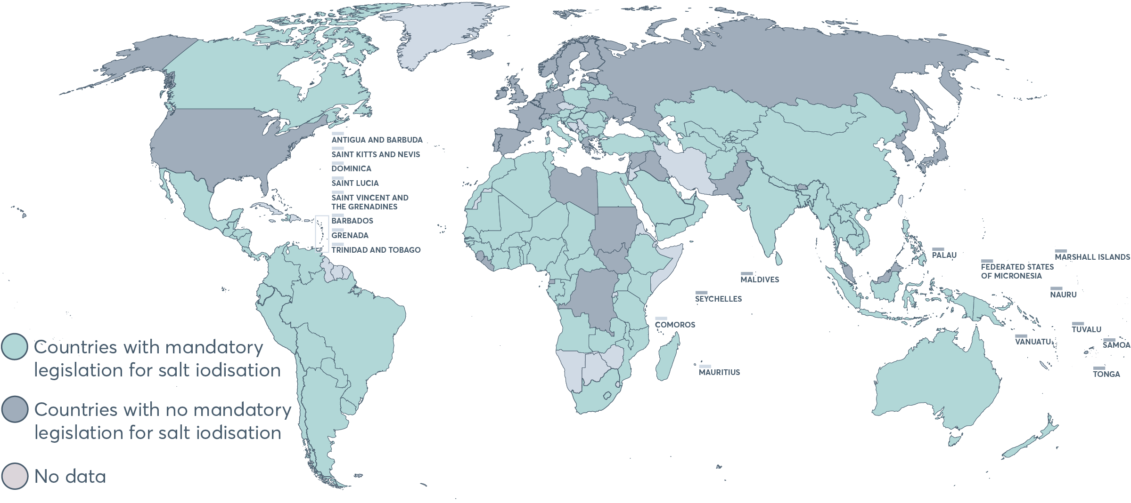
 | Country | Indicator Value
 | Afghanistan | Mandatory legislation
 | Albania | Mandatory legislation
 | Algeria | Mandatory legislation
 | Andorra | No data
 | Angola | Mandatory legislation
 | Antigua and Barbuda | No data
 | Argentina | Mandatory legislation
 | Armenia | Mandatory legislation
 | Australia | Mandatory legislation
 | Austria | Mandatory legislation
 | Azerbaijan | Mandatory legislation
 | Bahamas | No data
 | Bahrain | Mandatory legislation
 | Bangladesh | Mandatory legislation
 | Barbados | No data
 | Belarus | Mandatory legislation
 | Belgium | No mandatory legislation
 | Belize | Mandatory legislation
 | Benin | Mandatory legislation
 | Bhutan | No mandatory legislation
 | Bolivia, Plurinational State of | Mandatory legislation
 | Bosnia and Herzegovina | No data
 | Botswana | No data
 | Brazil | Mandatory legislation
 | Brunei Darussalam | No mandatory legislation
 | Bulgaria | Mandatory legislation
 | Burkina Faso | Mandatory legislation
 | Burundi | Mandatory legislation
 | Cabo Verde | Mandatory legislation
 | Cambodia | Mandatory legislation
 | Cameroon | Mandatory legislation
 | Canada | Mandatory legislation
 | Central African Republic | Mandatory legislation
 | Chad | Mandatory legislation
 | Chile | Mandatory legislation
 | China, People's Republic of | Mandatory legislation
 | Colombia | Mandatory legislation
 | Comoros | No data
 | Congo | Mandatory legislation
 | Costa Rica | Mandatory legislation
 | Cote d'Ivoire | Mandatory legislation
 | Croatia | Mandatory legislation
 | Cuba | No data
 | Cyprus | No mandatory legislation
 | Czech Republic | No data
 | Democratic Republic of the Congo | No mandatory legislation
 | Denmark | Mandatory legislation
 | Djibouti | No data
 | Dominica | No data
 | Dominican Republic | No data
 | Ecuador | Mandatory legislation
 | Egypt | Mandatory legislation
 | El Salvador | Mandatory legislation
 | Equatorial Guinea | No mandatory legislation
 | Eritrea | No data
 | Estonia | No mandatory legislation
 | Eswatini, the Kingdom of | No data
 | Ethiopia | Mandatory legislation
 | Fiji | Mandatory legislation
 | Finland | No mandatory legislation
 | France | No mandatory legislation
 | Gabon | Mandatory legislation
 | Gambia, Republic of The | Mandatory legislation
 | Georgia | Mandatory legislation
 | Germany | No mandatory legislation
 | Ghana | Mandatory legislation
 | Greece | No mandatory legislation
 | Grenada | No data
 | Guatemala | Mandatory legislation
 | Guinea | Mandatory legislation
 | Guinea-Bissau | Mandatory legislation
 | Guyana | No data
 | Haiti | Mandatory legislation
 | Honduras | Mandatory legislation
 | Hungary | Mandatory legislation
 | Iceland | No mandatory legislation
 | India | Mandatory legislation
 | Indonesia | Mandatory legislation
 | Iran, Islamic Republic of | No data
 | Iraq | No mandatory legislation
 | Ireland | No mandatory legislation
 | Israel | No mandatory legislation
 | Italy | Mandatory legislation
 | Jamaica | No data
 | Japan | No mandatory legislation
 | Jordan | No data
 | Kazakhstan | Mandatory legislation
 | Kenya | Mandatory legislation
 | Kiribati | Mandatory legislation
 | Korea, Democratic People's Republic of | No mandatory legislation
 | Korea, Republic of | No mandatory legislation
 | Kosovo, Republic of | Mandatory legislation
 | Kuwait | Mandatory legislation
 | Kyrgyzstan | Mandatory legislation
 | Lao People's Democratic Republic | Mandatory legislation
 | Latvia | No mandatory legislation
 | Lebanon | No data
 | Lesotho | Mandatory legislation
 | Liberia | No mandatory legislation
 | Libya | No mandatory legislation
 | Liechtenstein | No data
 | Lithuania | Mandatory legislation
 | Luxembourg | No data
 | Macedonia, The former Yugoslav Republic of | Mandatory legislation
 | Madagascar | Mandatory legislation
 | Malawi | Mandatory legislation
 | Malaysia | No mandatory legislation
 | Maldives | No mandatory legislation
 | Mali | Mandatory legislation
 | Malta | No data
 | Marshall Islands | No mandatory legislation
 | Mauritania | Mandatory legislation
 | Mauritius | No data
 | Mexico | Mandatory legislation
 | Micronesia, Federated States of | No mandatory legislation
 | Moldova, Republic of | Mandatory legislation
 | Monaco | No data
 | Mongolia | Mandatory legislation
 | Montenegro | No data
 | Morocco | Mandatory legislation
 | Mozambique | Mandatory legislation
 | Myanmar | Mandatory legislation
 | Namibia | No data
 | Nauru | No mandatory legislation
 | Nepal | Mandatory legislation
 | Netherlands | No mandatory legislation
 | New Zealand | Mandatory legislation
 | Nicaragua | Mandatory legislation
 | Niger | Mandatory legislation
 | Nigeria | Mandatory legislation
 | Norway | No mandatory legislation
 | Oman | Mandatory legislation
 | Pakistan | No mandatory legislation
 | Palau | No mandatory legislation
 | Palestine, State of | No data
 | Panama | Mandatory legislation
 | Papua New Guinea | Mandatory legislation
 | Paraguay | Mandatory legislation
 | Peru | Mandatory legislation
 | Philippines | Mandatory legislation
 | Poland | Mandatory legislation
 | Portugal | No mandatory legislation
 | Qatar | Mandatory legislation
 | Romania | Mandatory legislation
 | Russian Federation | No mandatory legislation
 | Rwanda | No data
 | Saint Kitts and Nevis | No data
 | Saint Lucia | No data
 | Saint Vincent and the Grenadines | No data
 | Samoa | No mandatory legislation
 | San Marino | No data
 | Sao Tome and Principe | Mandatory legislation
 | Saudi Arabia | Mandatory legislation
 | Senegal | Mandatory legislation
 | Serbia | No data
 | Seychelles | No mandatory legislation
 | Sierra Leone | No mandatory legislation
 | Singapore | No mandatory legislation
 | Slovakia | Mandatory legislation
 | Slovenia | Mandatory legislation
 | Solomon Islands | Mandatory legislation
 | Somalia | No data
 | South Africa | Mandatory legislation
 | South Sudan | No mandatory legislation
 | Spain | No mandatory legislation
 | Sri Lanka | Mandatory legislation
 | Sudan | No mandatory legislation
 | Suriname | No data
 | Sweden | No mandatory legislation
 | Switzerland | No mandatory legislation
 | Syrian Arab Republic | No mandatory legislation
 | Tajikistan | Mandatory legislation
 | Tanzania, United Republic of | Mandatory legislation
 | Thailand | Mandatory legislation
 | Timor-Leste | No mandatory legislation
 | Togo | Mandatory legislation
 | Tonga | No mandatory legislation
 | Trinidad and Tobago | No data
 | Tunisia | Mandatory legislation
 | Turkey | Mandatory legislation
 | Turkmenistan | Mandatory legislation
 | Tuvalu | No mandatory legislation
 | Uganda | Mandatory legislation
 | Ukraine | No mandatory legislation
 | United Arab Emirates | Mandatory legislation
 | United Kingdom of Great Britain and Northern Ireland | No mandatory legislation
 | United States of America | No mandatory legislation
 | Uruguay | Mandatory legislation
 | Uzbekistan | Mandatory legislation
 | Vanuatu | No mandatory legislation
 | Vatican City | No data
 | Venezuela, Bolivarian Republic of | Mandatory legislation
 | Viet Nam | Mandatory legislation
 | Yemen | Mandatory legislation
 | Zambia | Mandatory legislation
 | Zimbabwe | No data

Figure 3.3
 | 2018 Global Nutrition Report: Shining a light to spur action on nutrition
 | globalnutritionreport.org

FIGURE | 3.3
Prevalences of stunting in conflict countries versus non-conflict countries
Source: | 2018 Global Nutrition Report. Development Initiatives based on 2018 INFORM Index for Risk Management and Joint Malnutrition Estimates data.
Notes: | Prevalence weighted by population based on available data for 148 countries. A country is affected by conflict if it scores 7 or higher in INFORM's 'Currently highly violent conflict intensity' indicator.

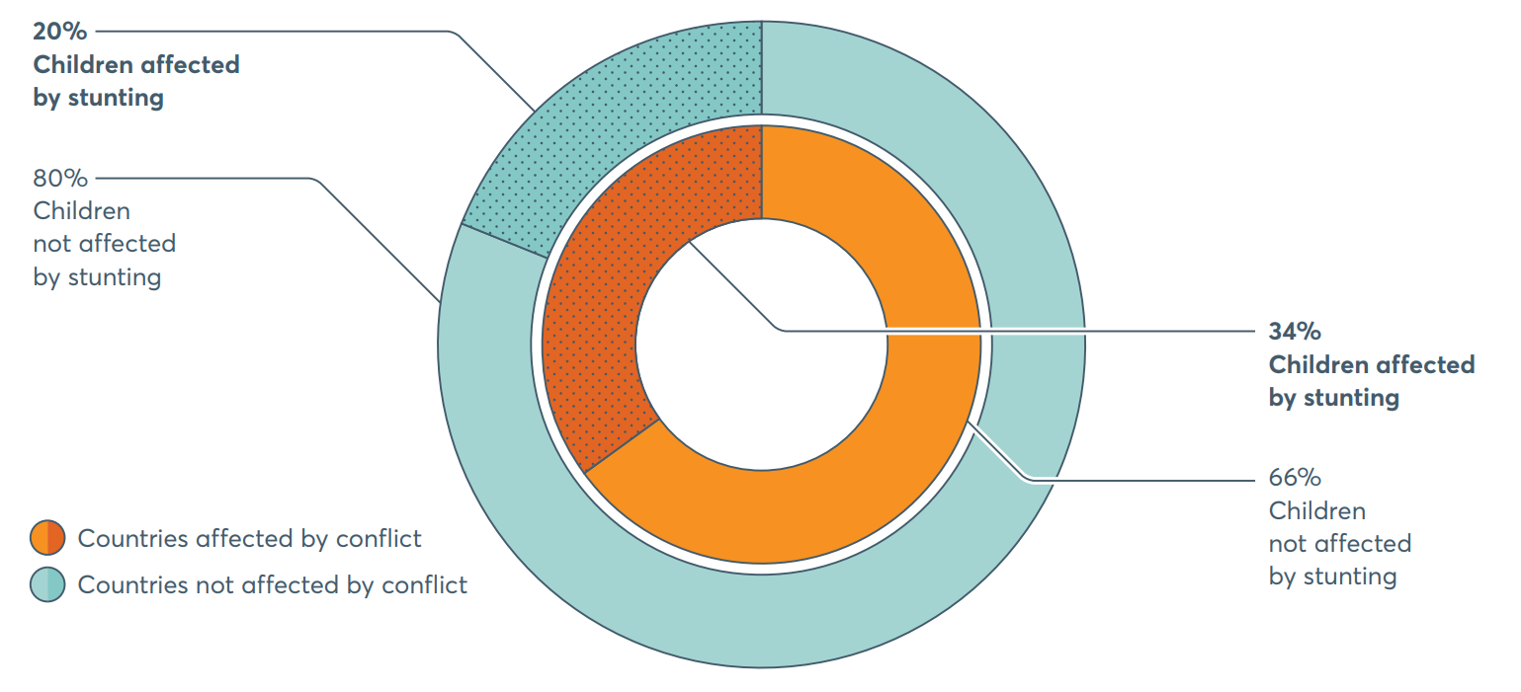
 |  | Children unaffected by stunting | Children affected by stunting
 | Countries affected by conflict | 66% | 34%
 | Countries not affected by conflict | 80% | 20%

Figure 3.4
 | 2018 Global Nutrition Report: Shining a light to spur action on nutrition
 | globalnutritionreport.org

FIGURE | 3.4
Trends in adolescent obesity, ages 10 to 19 years
Source: | 2018 Global Nutrition Report. NCD Risk Factor Collaboration

 |  | 2000 | 2001 | 2002 | 2003 | 2004 | 2005 | 2006 | 2007 | 2008 | 2009 | 2010 | 2011 | 2012 | 2013 | 2014 | 2015 | 2016
 | Boys | 2.7% | 2.8% | 3.0% | 3.2% | 3.3% | 3.5% | 3.8% | 4.0% | 4.2% | 4.4% | 4.7% | 4.9% | 5.2% | 5.5% | 5.8% | 6.1% | 6.5%
 | Girls | 2.1% | 2.2% | 2.3% | 2.4% | 2.5% | 2.7% | 2.8% | 3.0% | 3.1% | 3.3% | 3.5% | 3.6% | 3.8% | 4.0% | 4.2% | 4.5% | 4.7%

Figure 3.5
 | 2018 Global Nutrition Report: Shining a light to spur action on nutrition
 | globalnutritionreport.org

FIGURE | 3.5
Adolescent obesity, ages 10 to 19 years, by region, 2016
Source: | 2018 Global Nutrition Report. NCD Risk Factor Collaboration
Notes: | Regional figures based on data for 195 countries

 | Region | Boys | Girls
 | Americas | 14.5% | 11.8%
 | Oceania | 11.2% | 10.5%
 | Europe | 8.8% | 5.5%
 | Asia | 5.9% | 3.2%
 | Africa | 2.5% | 3.9%
 | Global | 6.5% | 4.7%

