Figure 4.7
 | 2018 Global Nutrition Report: Shining a light to spur action on nutrition
 | globalnutritionreport.org

FIGURE | 4.7
Consumption of food groups and components across income groups, 2016
Source: | 2018 Global Nutrition Report. Global Burden of Disease, the Institute for Health Metrics and Evaluation.
Notes: | Men and women aged 25 and older. Chart ordered by mean. TMREL: Theoretical Minimum Risk Exposure Level.

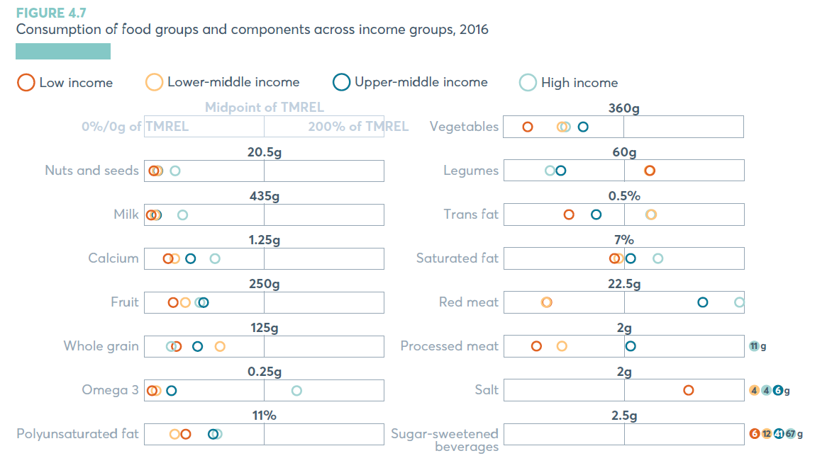
class | food | value | recommended | unit
High income | SSB | 66.97 | 2.5 | g
Low income | SSB | 5.50 | 2.5 | g
Lower-middle | SSB | 11.57 | 2.5 | g
Upper-middle | SSB | 40.89 | 2.5 | g
High income | Sodium | 4.47 | 2 | g
Low income | Sodium | 3.07 | 2 | g
Lower-middle | Sodium | 4.44 | 2 | g
Upper-middle | Sodium | 5.64 | 2 | g
High income | Processed Meat | 10.51 | 2 | g
Low income | Processed Meat | 0.53 | 2 | g
Lower-middle | Processed Meat | 0.95 | 2 | g
Upper-middle | Processed Meat | 2.10 | 2 | g
High income | Red Meat | 44.41 | 22.5 | g
Low income | Red Meat | 7.84 | 22.5 | g
Lower-middle | Red Meat | 7.77 | 22.5 | g
Upper-middle | Red Meat | 37.22 | 22.5 | g
High income | Saturated Fat | 8.96 | 7 | %
Low income | Saturated Fat | 6.44 | 7 | %
Lower-middle | Saturated Fat | 6.67 | 7 | %
Upper-middle | Saturated Fat | 7.36 | 7 | %
High income | Trans Fat | 0.61 | 0.5 | %
Low income | Trans Fat | 0.27 | 0.5 | %
Lower-middle | Trans Fat | 0.61 | 0.5 | %
Upper-middle | Trans Fat | 0.38 | 0.5 | %
High income | Legumes | 23.07 | 60 | g
Low income | Legumes | 72.98 | 60 | g
Lower-middle | Legumes | 72.16 | 60 | g
Upper-middle | Legumes | 27.87 | 60 | g
High income | Veg | 183.02 | 360 | g
Low income | Veg | 71.25 | 360 | g
Lower-middle | Veg | 173.73 | 360 | g
Upper-middle | Veg | 236.46 | 360 | g
High income | Polyunsaturated Fat | 6.65 | 11 | %
Low income | Polyunsaturated Fat | 3.67 | 11 | %
Lower-middle | Polyunsaturated Fat | 2.73 | 11 | %
Upper-middle | Polyunsaturated Fat | 6.30 | 11 | %
High income | Omega 3 | 0.32 | 0.25 | g
Low income | Omega 3 | 0.01 | 0.25 | g
Lower-middle | Omega 3 | 0.02 | 0.25 | g
Upper-middle | Omega 3 | 0.06 | 0.25 | g
High income | Whole Grain | 27.02 | 125 | g
Low income | Whole Grain | 32.65 | 125 | g
Lower-middle | Whole Grain | 78.16 | 125 | g
Upper-middle | Whole Grain | 55.11 | 125 | g
High income | Fruit | 115.43 | 250 | g
Low income | Fruit | 58.96 | 250 | g
Lower-middle | Fruit | 84.48 | 250 | g
Upper-middle | Fruit | 121.72 | 250 | g
High income | Calcium | 0.73 | 1.25 | g
Low income | Calcium | 0.24 | 1.25 | g
Lower-middle | Calcium | 0.31 | 1.25 | g
Upper-middle | Calcium | 0.48 | 1.25 | g
High income | Milk | 137.90 | 435 | g
Low income | Milk | 23.01 | 435 | g
Lower-middle | Milk | 39.72 | 435 | g
Upper-middle | Milk | 43.77 | 435 | g
High income | Nuts | 5.15 | 20.5 | g
Low income | Nuts | 1.40 | 20.5 | g
Lower-middle | Nuts | 2.08 | 20.5 | g
Upper-middle | Nuts | 2.11 | 20.5 | g

