Figure 5.2
 | 2020 Global Nutrition Report: Action on equity to end malnutrition
 | globalnutritionreport.org

FIGURE | 5.2
Government revenue and stunting prevalence in 61 countries
Source: | UNICEF/WHO/World Bank Group: Joint child malnutrition estimates, OECD Development Assistance Committee (DAC) Creditor Reporting System (CRS), World Bank, 2019.
Notes: | Non-grant government revenue includes tax and non-tax revenue but excludes grants. Amounts for 2017, divided by 2017 population data. Income groups as defined by the World Bank country and lending groups, June 2019.
Long description: | All low-income countries have less than US$500 of non-grant government revenue per person and have a prevalence of stunting among children under five over 15%. While all upper-middle-income countries, with the exception of Guatemala, have over US$500 of non-grant government revenue per person and prevalence of stunting above 5%.

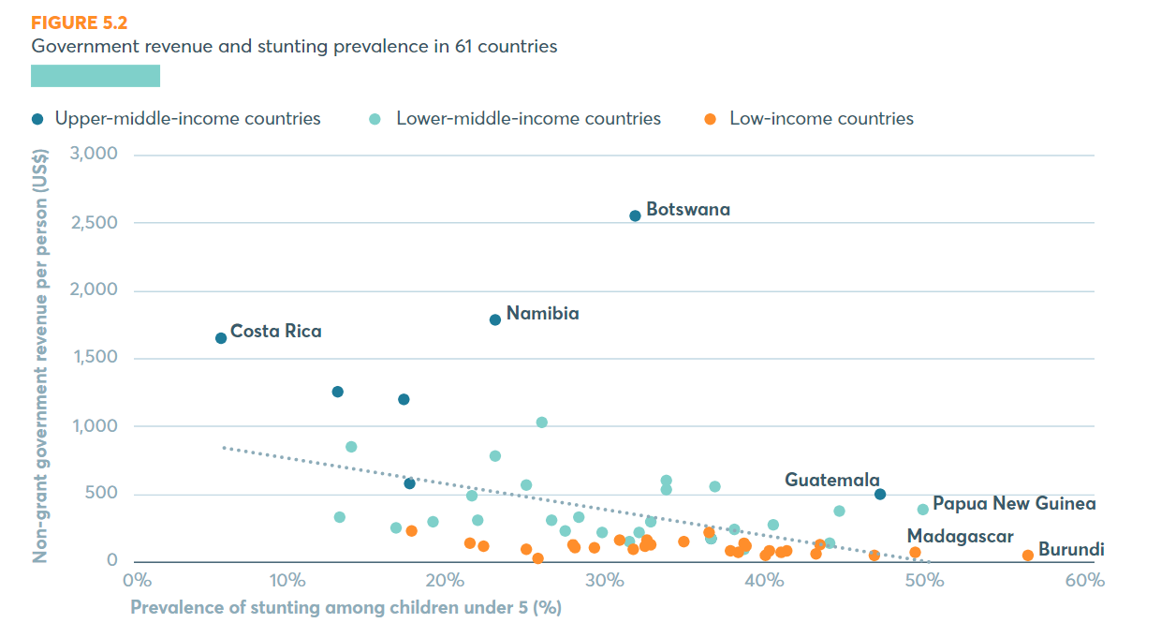
 | Income Group | Country | ISO3 | Non-Grant Government Revenue Per Capita (US$ per person) | Prevalence of stunting among children under-5 (%) | Stunting year
 | UMIC | Botswana | BWA | 2534.26 | 31.40 | 2007
 | UMIC | Costa Rica | CRI | 1636.66 | 5.60 | 2008
 | UMIC | Gabon | GAB | 1186.26 | 17.03 | 2012
 | UMIC | Guatemala | GTM | 482.64 | 46.71 | 2015
 | UMIC | Namibia | NAM | 1774.80 | 22.72 | 2013
 | UMIC | Peru | PER | 1239.38 | 12.88 | 2017
 | UMIC | Sri Lanka | LKA | 562.68 | 17.30 | 2016
 | LMIC | Bangladesh | BGD | 156.84 | 36.18 | 2014
 | LMIC | Cambodia | KHM | 280.64 | 32.44 | 2014
 | LMIC | Cameroon | CMR | 208.46 | 31.70 | 2014
 | LMIC | Comoros | COM | 134.53 | 31.12 | 2012
 | LMIC | Congo | COG | 476.62 | 21.19 | 2015
 | LMIC | Côte d'Ivoire | CIV | 299.00 | 21.63 | 2016
 | LMIC | El Salvador | SLV | 840.62 | 13.65 | 2014
 | LMIC | Eswatini | SWZ | 1018.23 | 25.55 | 2014
 | LMIC | Ghana | GHA | 282.33 | 18.80 | 2014
 | LMIC | Honduras | HND | 766.85 | 22.62 | 2012
 | LMIC | Indonesia | IDN | 539.23 | 36.40 | 2013
 | LMIC | Kenya | KEN | 290.70 | 26.19 | 2014
 | LMIC | Kyrgyzstan | KGZ | 318.68 | 12.92 | 2014
 | LMIC | Lao PDR | LAO | 364.39 | 44.18 | 2011
 | LMIC | Lesotho | LSO | 518.31 | 33.40 | 2014
 | LMIC | Mauritania | MRT | 311.82 | 27.91 | 2015
 | LMIC | Myanmar | MMR | 208.73 | 29.37 | 2016
 | LMIC | Nigeria | NGA | 121.59 | 43.58 | 2016
 | LMIC | Pakistan | PAK | 226.57 | 37.63 | 2018
 | LMIC | Papua New Guinea | PNG | 371.12 | 49.45 | 2010
 | LMIC | Philippines | PHL | 582.93 | 33.40 | 2015
 | LMIC | Senegal | SEN | 235.88 | 16.51 | 2017
 | LMIC | Sudan | SDN | 80.80 | 38.24 | 2014
 | LMIC | Viet Nam | VNM | 548.57 | 24.60 | 2015
 | LMIC | Zambia | ZMB | 265.53 | 39.99 | 2013
 | LMIC | Zimbabwe | ZWE | 216.87 | 27.07 | 2015
 | LIC | Afghanistan | AFG | 68.11 | 40.90 | 2013
 | LIC | Benin | BEN | 145.47 | 32.20 | 2018
 | LIC | Burkina Faso | BFA | 124.57 | 21.09 | 2017
 | LIC | Burundi | BDI | 35.13 | 55.95 | 2016
 | LIC | Central African Republic | CAF | 35.03 | 39.62 | 2012
 | LIC | Chad | TCD | 70.96 | 39.77 | 2015
 | LIC | Democratic Republic of Congo | COD | 43.28 | 42.69 | 2013
 | LIC | Ethiopia | ETH | 101.56 | 38.40 | 2016
 | LIC | Guinea | GIN | 117.64 | 32.42 | 2016
 | LIC | Guinea-Bissau | GNB | 94.57 | 27.61 | 2014
 | LIC | Haiti | HTI | 107.52 | 21.95 | 2017
 | LIC | Liberia | LBR | 98.68 | 32.08 | 2013
 | LIC | Madagascar | MDG | 53.21 | 48.89 | 2013
 | LIC | Malawi | MWI | 65.17 | 37.39 | 2015
 | LIC | Mali | MLI | 153.02 | 30.42 | 2015
 | LIC | Mozambique | MOZ | 115.28 | 42.94 | 2011
 | LIC | Nepal | NPL | 208.90 | 36.02 | 2016
 | LIC | Niger | NER | 54.25 | 40.56 | 2016
 | LIC | Rwanda | RWA | 129.08 | 38.22 | 2015
 | LIC | Sierra Leone | SLE | 60.54 | 37.82 | 2013
 | LIC | Somalia | SOM | 9.77 | 25.30 | 2009
 | LIC | South Sudan | SSD | 81.29 | 31.28 | 2010
 | LIC | Tajikistan | TJK | 217.21 | 17.51 | 2017
 | LIC | Tanzania | TZA | 142.28 | 34.46 | 2015
 | LIC | The Gambia | GMB | 78.26 | 24.57 | 2013
 | LIC | Togo | TGO | 113.42 | 27.58 | 2014
 | LIC | Uganda | UGA | 86.57 | 28.92 | 2016
 | LIC | Yemen | YEM | 33.72 | 46.41 | 2013

